Bato Trolley
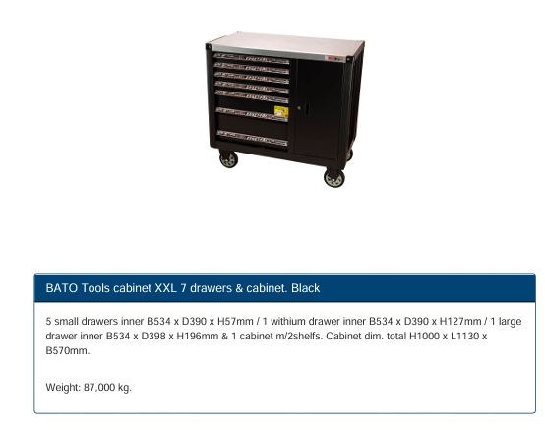

Drawer 1 Items
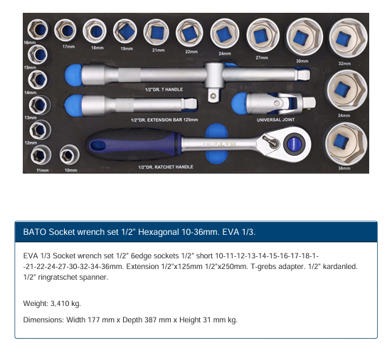
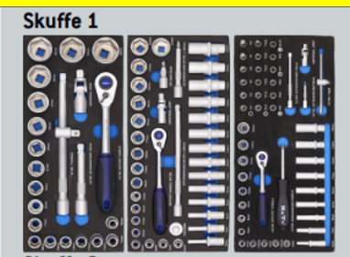
Item
Socket short 1/2" x 10mm. Hexagonal
Socket short 1/2" x 11mm. Hexagonal.
Socket short 1/2" x 12mm. Hexagonal
Socket short 1/2" x 13mm. Hexagonal
Socket short 1/2" x 14mm. Hexagonal
Socket short 1/2" x 15mm. Hexagonal
Socket short 1/2" x 16mm. Hexagonal
Socket short 1/2" x 17mm. Hexagonal
Socket short 1/2" x 18mm. Hexagonal
Socket short 1/2" x 19mm. Hexagonal
Socket short 1/2" x 21mm. Hexagonal
Socket short 1/2" x 22mm. Hexagonal
Socket short 1/2" x 24mm. Hexagonal
Socket short 1/2" x 27mm. Hexagonal
Socket short 1/2" x 30mm. Hexagonal
Socket short 1/2" x 32mm. Hexagonal
Socket short 1/2" x 34mm. Hexagonal
Socket short 1/2" x 36mm. Hexagonal
Extension 1/2" x 125mm long
Extension 1/2" x 250mm long
Universal joint 1/2"
Ratchet wrench 1/2" 48T
Adaptor 3/8"F x 1/2"M. T-slide

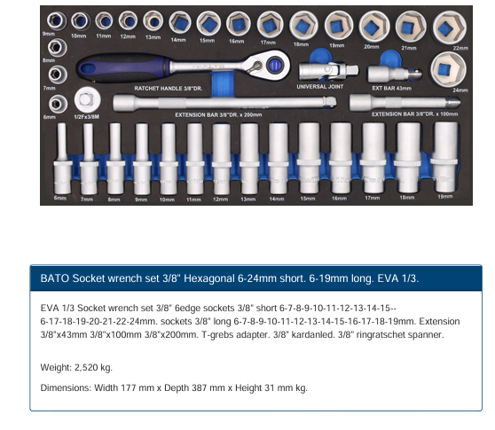
Item
Socket short 3/8" x 6mm. Hexagonal
Socket short 3/8" x 7mm. Hexagonal
Socket short 3/8" x 8mm. Hexagonal
Socket short 3/8" x 9mm. Hexagonal
Socket short 3/8" x 10mm. Hexagonal
Socket short 3/8" x 11mm. Hexagonal
Socket short 3/8" x 12mm. Hexagonal
Socket short 3/8" x 13mm. Hexagonal
Socket short 3/8" x 14mm. Hexagonal
Socket short 3/8" x 15mm. Hexagonal
Socket short 3/8" x 16mm. Hexagonal
Socket short 3/8" x 17mm. Hexagonal
Socket short 3/8" x 18mm. Hexagonal
Socket short 3/8" x 19mm. Hexagonal
Socket short 3/8" x 20mm. Hexagonal
Socket short 3/8" x 21mm. Hexagonal
Socket short 3/8" x 22mm. Hexagonal
Socket short 3/8" x 24mm. Hexagonal
Socket long 3/8" x 6mm. Hexagonal
Socket long 3/8" x 7mm. Hexagonal
Socket long 3/8" x 8mm. Hexagonal
Socket long 3/8" x 9mm. Hexagonal
Socket long 3/8" x 10mm. Hexagonal
Socket long 3/8" x 11mm. Hexagonal
Socket long 3/8" x 12mm. Hexagonal
Socket long 3/8" x 13mm. Hexagonal
Socket long 3/8" x 14mm. Hexagonal
Socket long 3/8" x 15mm. Hexagonal
Socket long 3/8" x 16mm. Hexagonal
Socket long 3/8" x 17mm. Hexagonal
Socket long 3/8" x 18mm. Hexagonal
Socket long 3/8" x 19mm. Hexagonal
Extension 3/8" x 50mm long
Extension 3/8" x 100mm long
Extension 3/8" x 200mm long
Universal joint 3/8"
Adapter 1/2"F x 3/8"M. T-slide
Ratchet wrench 3/8" 48T

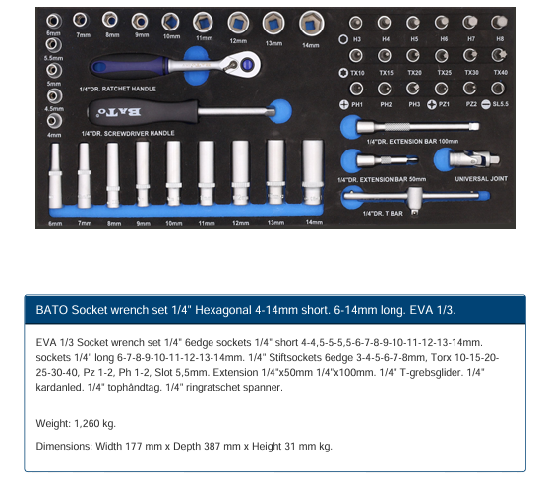
Item
Socket short 1/4" x 4mm. Hexagonal
Socket short 1/4" x 4,5mm. Hexagonal
Socket short 1/4" x 5mm. Hexagonal
Socket short 1/4" x 5,5mm. Hexagonal
Socket short 1/4" x 6mm. Hexagonal
Socket short 1/4" x 7mm. Hexagonal
Socket short 1/4" x 8mm. Hexagonal
Socket short 1/4" x 9mm. Hexagonal
Socket short 1/4" x 10mm. Hexagonal
Socket short 1/4" x 11mm. Hexagonal
Socket short 1/4" x 12mm. Hexagonal
Socket short 1/4" x 13mm. Hexagonal
Socket short 1/4" x 14mm. Hexagonal
Socket screwdriver 1/4 x 150 mm
Socket long 1/4" x 6mm. Hexagonal
Socket long 1/4" x 7mm. Hexagonal
Socket long 1/4" x 8mm. Hexagonal
Socket long 1/4" x 9mm. Hexagonal
Socket long 1/4" x 10mm. Hexagonal
Socket long 1/4" x 11mm. Hexagonal
Socket long 1/4" x 12mm. Hexagonal
Socket long 1/4" x 13mm. Hexagonal
Socket long 1/4" x 14mm. Hexagonal
Bit socket short 1/4" x 3mm. Hexagonal
Bit socket short 1/4" x 4mm. Hexagonal
Bit socket short 1/4" x 5mm. Hexagonal
Bit socket short 1/4" x 6mm. Hexagonal
Bit socket short 1/4" x 7mm. Hexagonal
Bit socket short 1/4" x 8mm. Hexagonal
Bit socket short 1/4" Torx 10
Bit socket short 1/4" Torx 15
Bit socket short 1/4" Torx 20
Bit socket short 1/4" Torx 25
Bit socket short 1/4" Torx 30
Bit socket short 1/4" Torx 40
Bit socket short 1/4" PZ1
Bit socket short 1/4" PZ2
Bit socket short 1/4" PH1
Bit socket short 1/4" PH2
Bit socket short 1/4" PH3
Bit socket short 1/4" slot 5,5mm
Extension 1/4" x 50mm long
Extension 1/4" x 100mm long
T-handle slide 1/4"
Universal joint 1/4"
Ratchet wrench 1/4" 48T

Drawer 2 Items
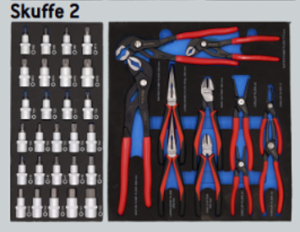
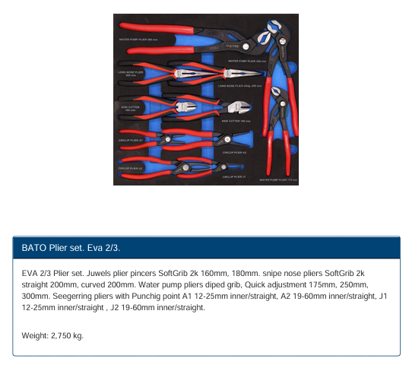
Item
Water pump plier 7" / 175mm. Quick adjustment
Water pump plier 10" / 250mm. Quick adjustment
Water pump plier 12" / 300mm. Quick adjustment
Pincers 2K 160 mm
Pincers 2K 180 mm
Snipe nose pliers straight 2K 200 mm
Snipe nose pliers curved 2K 200 mm
Seegerring set J1 12-25 mm.
Seegerring set J2 19-60 mm.
Seegerring set A1 12-25 mm.
Seegerring set A2 19-60 mm.

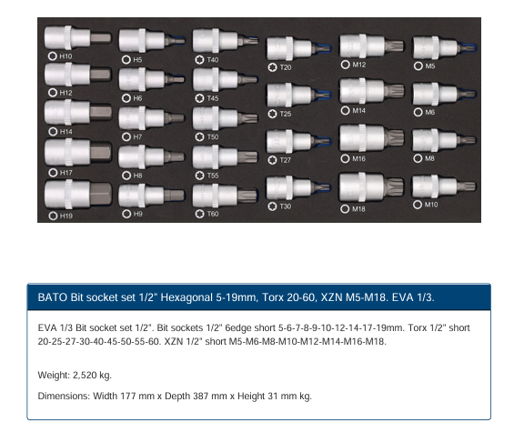
Item
Bit socket short 1/2" x 5mm. Hexagonal
Bit socket short 1/2" x 6mm. Hexagonal
Bit socket short 1/2" x 7mm. Hexagonal
Bit socket short 1/2" x 8mm. Hexagonal
Bit socket short 1/2" x 9mm. Hexagonal
Bit socket short 1/2" x 10mm. Hexagonal
Bit socket short 1/2" x 12mm. Hexagonal
Bit socket short 1/2" x 14mm. Hexagonal
Bit socket short 1/2" x 17mm. Hexagonal
Bit socket short 1/2" x 19mm. Hexagonal
Bit socket short 1/2" Torx 20
Bit socket short 1/2" Torx 25
Bit socket short 1/2" Torx 27
Bit socket short 1/2" Torx 30
Bit socket short 1/2" Torx 40
Bit socket short 1/2" Torx 45
Bit socket short 1/2" Torx 50
Bit socket short 1/2" Torx 55
Bit socket short 1/2" Torx 60
Bit socket short 1/2" XZN M5
Bit socket short 1/2" XZN M6
Bit socket short 1/2" XZN M8
Bit socket short 1/2" XZN M10
Bit socket short 1/2" XZN M12
Bit socket short 1/2" XZN M14
Bit socket short 1/2" XZN M16
Bit socket short 1/2" XZN M18

Drawer 3 Items
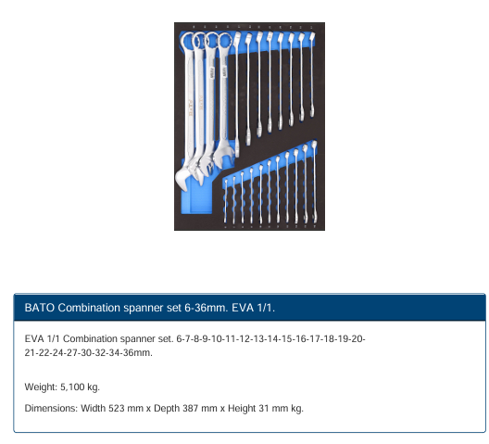
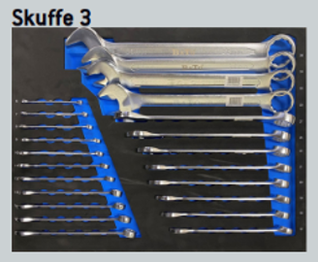
Item
Combination spanner 6 mm
Combination spanner 7 mm
Combination spanner 8 mm
Combination spanner 9 mm
Combination spanner 10 mm
Combination spanner 11 mm
Combination spanner 12 mm
Combination spanner 13 mm
Combination spanner 14 mm
Combination spanner 15 mm
Combination spanner 16 mm
Combination spanner 17 mm
Combination spanner 18 mm
Combination spanner 19 mm
Combination spanner 20 mm
Combination spanner 21 mm
Combination spanner 22 mm
Combination spanner 24 mm
Combination spanner 27 mm
Combination spanner 30 mm
Combination spanner 32 mm
Combination spanner 34 mm
Combination spanner 36 mm

Drawer 4 Items
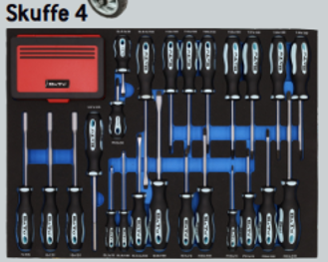
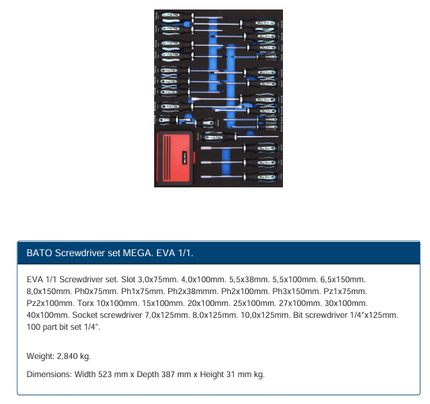
Item
Screwdriver slot 3,0 x 75mm.
Screwdriver slot 4,0 x 100mm.
Screwdriver slot 5,5 x 100mm.
Screwdriver slot 6,5 x 150mm.
Screwdriver slot 8,0 x 150mm.
Screwdriver PH0 x 75mm.
Screwdriver PH1 x 75mm.
Screwdriver PH2 x 100mm.
Screwdriver PH3 x 150mm.
Screwdriver PZ1 x 75mm.
Screwdriver PZ2 x 100mm.
Screwdriver Torx 10 x 100mm.
Screwdriver Torx 15 x 100mm.
Screwdriver Torx 20 x 100mm.
Screwdriver Torx 25 x 100mm.
Screwdriver Torx 27 x 100mm.
Screwdriver Torx 30 x 100mm.
Screwdriver Torx 40 x 100mm.
Screwdriver slot 5,5 x 38mm. Stubby.
Screwdriver PH2 x 38mm. Stubby.
Socket screwdriver 7,0 x 125mm.
Socket screwdriver 8,0 x 125mm.
Socket screwdriver 10,0 x 125mm.
Bit Screwdriver 1/4" x 125mm.
1/4" Bit set 100 parts.

Drawer 5 Items
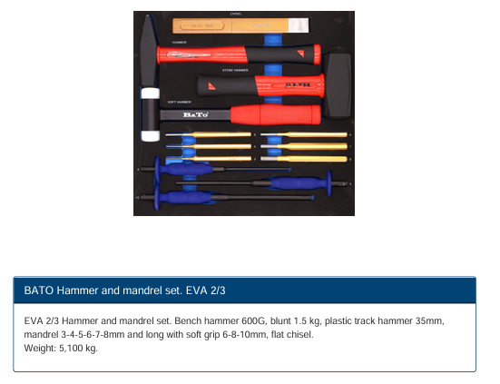
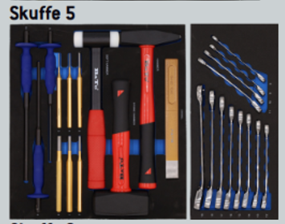
Item
Bench hammer 600 gr. Glass fibre grib
Sledgehammer 1500 gr. Glass fibre grib
Nylon hammer 35 mm. Stell handle with gum grib
Parallel pin punches 3,0mm
Parallel pin punches 4,0mm
Parallel pin punches 5,0mm
Parallel pin punches 6,0mm
Parallel pin punches 8,0mm
Parallel pin punches. Soft-grip 6mm
Parallel pin punches. Soft-grip 8mm
Parallel pin punches. Soft-grip 10mm
Chisel flat 230x25

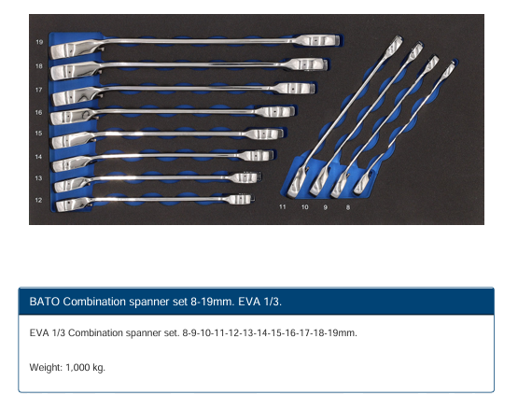
Item
Ringratchet wrench 8 mm
Ringratchet wrench 9 mm
Ringratchet wrench 10 mm
Ringratchet wrench 11 mm
Ringratchet wrench 12 mm
Ringratchet wrench 13 mm
Ringratchet wrench 14 mm
Ringratchet wrench 15 mm
Ringratchet wrench 16 mm
Ringratchet wrench 17 mm
Ringratchet wrench 18 mm
Ringratchet wrench 19 mm

Drawer 6 Items
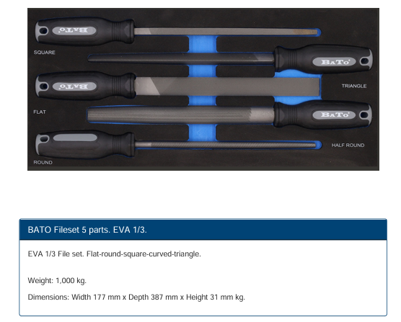
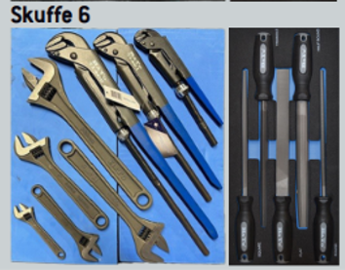
Item
File round with attach
File square with attach
File triangle with attach
File flat with attach
File half round with attach

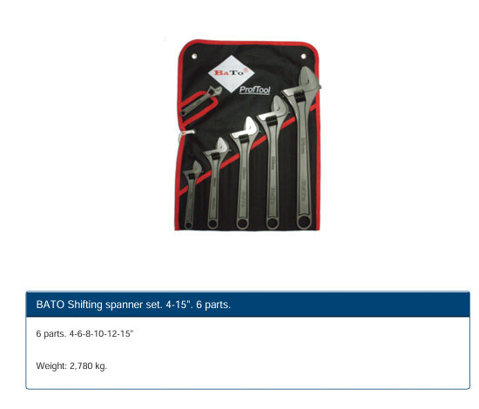
Item
Shifting spanner 4" / 100 mm
Shifting spanner 6" / 150 mm
Shifting spanner 8" / 200 mm
Shifting spanner 10" / 250 mm
Shifting spanner 12" / 300 mm
Shifting spanner 15" / 375 mm

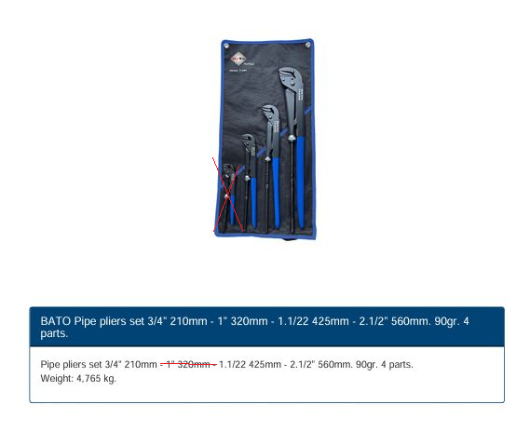
Item
Pipe pliers 1" 320mm.
Pipe pliers 1.1/2" 425mm.
Pipe pliers 2.1/2" 560mm.

